Chassis Pics
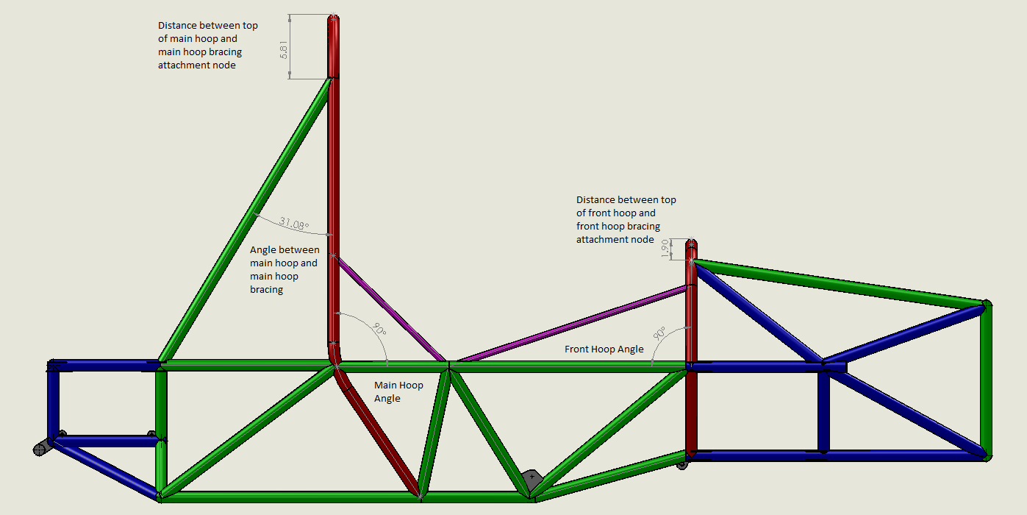
Formula HybridTM STRUCTURAL EQUIVALENCY SPREADSHEET - CHASSIS PICTURES

University Name | Yale University |  | Car No.(s) & Event(s) | Team #213, Formula Hybrid

Please attach pictures of the frame and/or monocoque in the table below for review during the SES process. Please colour code all tubes to show outer diameter and wall thickness. Three view drawings and isometric views of the structure (CAD, FEA models, etc) are acceptable. Note: The final decision about all designs will be made at technical inspection. Approval of an SES does not guarantee passing Technical Inspection.

Images must include dimensions/labels indicating the following:
Angle of main and front hoops
Angle of main hoop bracing
Distance from top of main hoop to main hoop brace attachment
Distance from top of front hoop to front hoop brace attachment
Outer diameter and wall thickness of all tubes
Teams entering cars with EV Powertrains must show the location of all HV components in these images

Three View Legend

Color | Outer Diameter (in) | Thickness (in)
Red | 1 | 0.095
Green | 1 | 0.065 |  |  | Side View
Blue | 1 | 0.049
Yellow | 1 | 0.035
Purple | 0.5 | 0.035

Note that this legend does not apply to the chassis assembly with HV components.

Chassis Assembly with HV Components

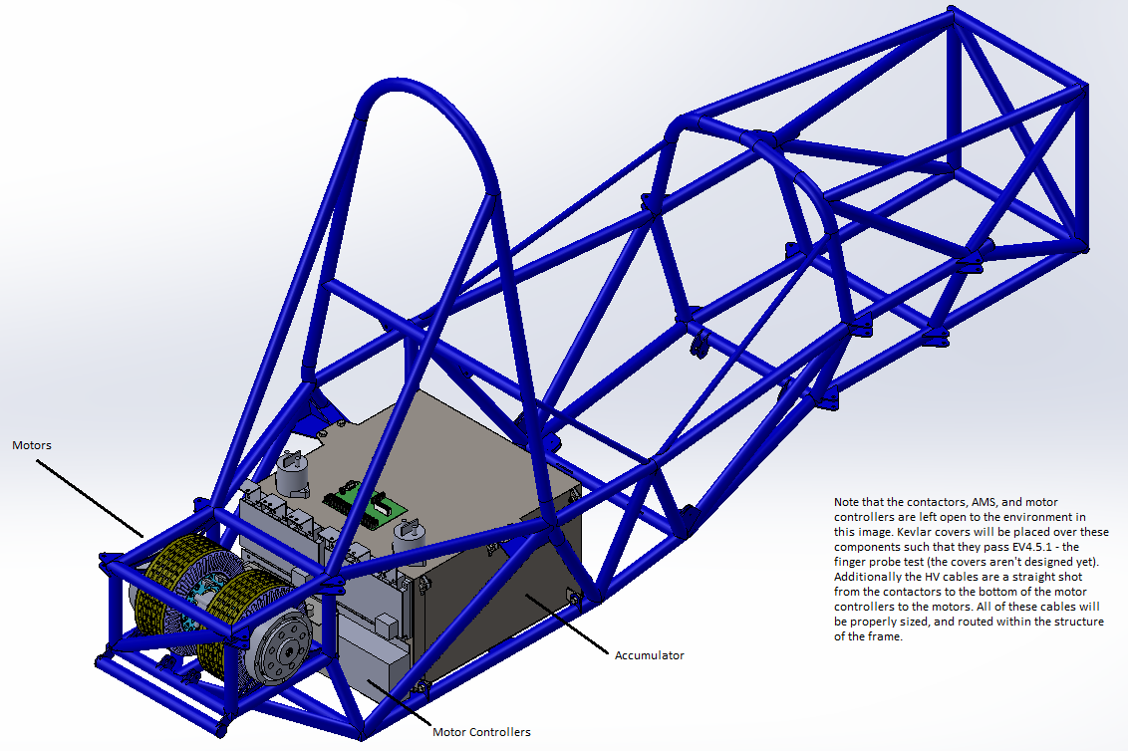
 |  |  |  |  | Top View
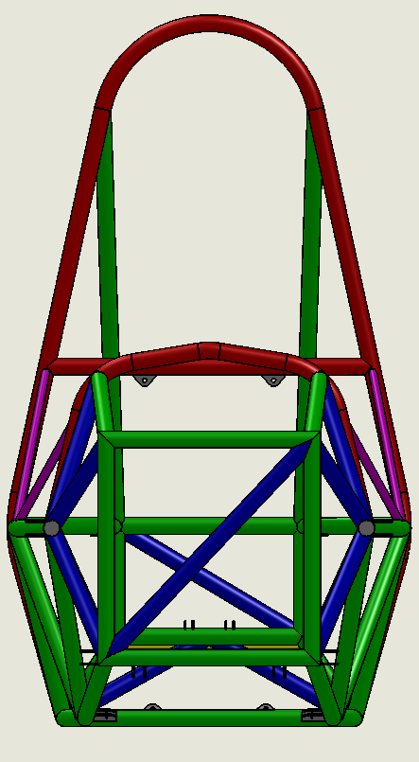
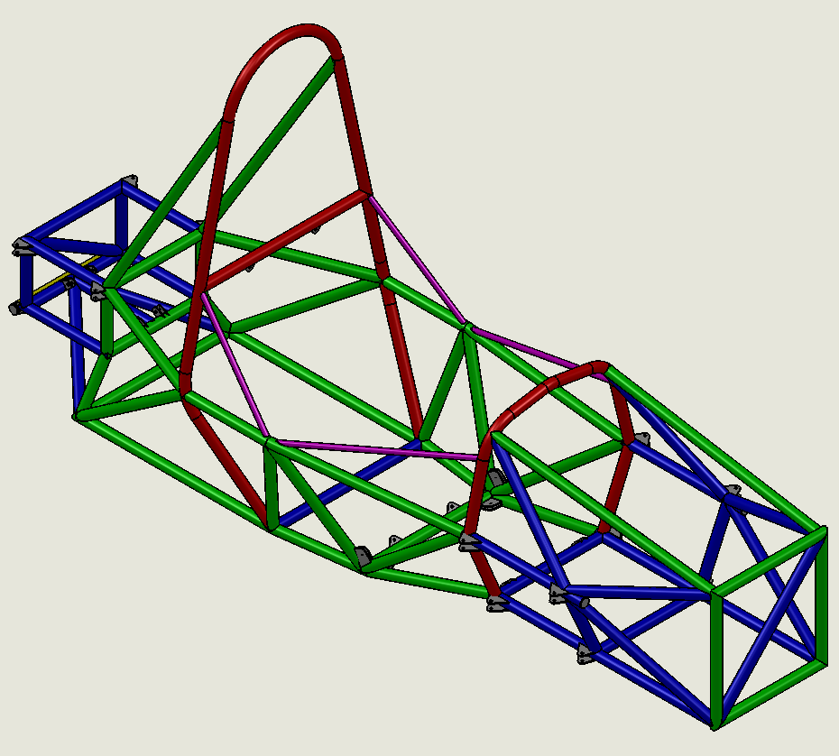

HV Components Diagram |  |  |  |  | Front View | Isometric View

EV3.5.2 Accumulator Attachment
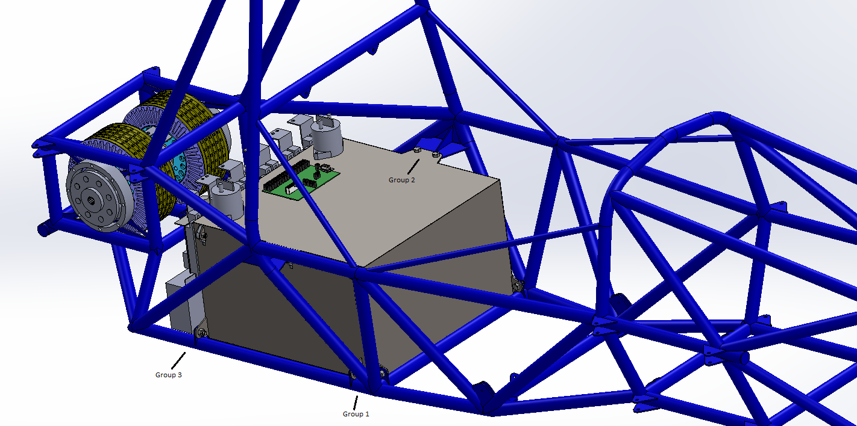
Formula HybridTM STRUCTURAL EQUIVALENCY SPREADSHEET - ACCUMULATOR ATTACHMENT |  |  |  |  |  |  | Overview

University Name | Yale University |  |  |  | Car No.(s) & Event(s) | Team #213, Formula Hybrid

Please use this sheet to prove the mounting system for your accumulator complies with Rule EV3.5.2

Accumulator Mass (kg) |  | 70
Horizontal Force (N) |  | 27468
Vertical Force (N) |  | 13734

Overview

Ten 5/16”-24 grade 8 bolts threaded through Nyloc nuts fasten the accumulator to the chassis. The fastening .
scheme is mirrored across the xz plane (SAE axis convention), so the following analysis examines only one side.
of the box. In total, there are five bolts per side, hence ten bolts in all that fasten the accumulator to the chassis.

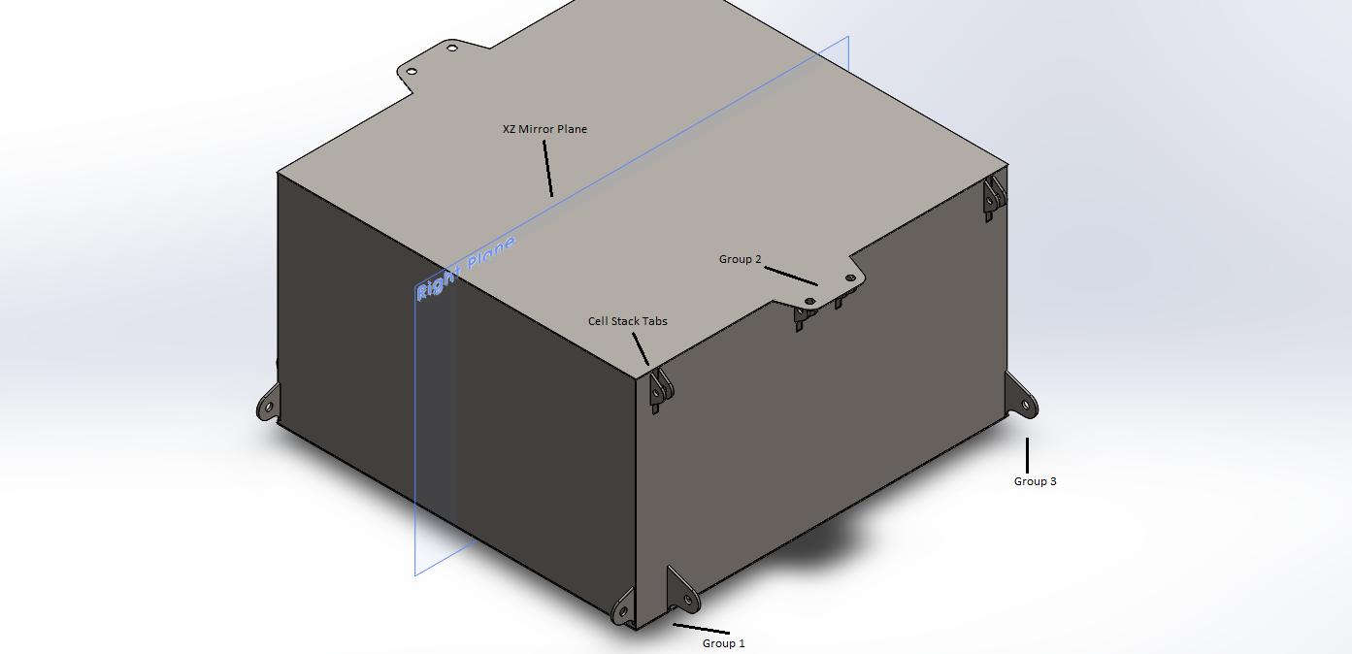
Bolt Groups |  |  |  |  |  |  | Box Only

Group 1) Two bolts oriented in the x and y directions fasten the lower front end of the accumulator to the bottom-
most chassis node of the main roll hoop.
Group 2) Two bolts oriented in the z direction fasten the upper middle of the accumulator to the middle chassis
node of the main roll hoop.
Group 3) One bolt oriented in the x direction fastens the lower back end of the accumulator near the back node of
the lower main hoop bracing support tube.

Fastener Failure Analysis

The following assumptions have been made to simplify the analysis:
1) The accumulator box is perfectly rigid
2) Forces are spread evenly between the three bolt groupings mentioned in the overview

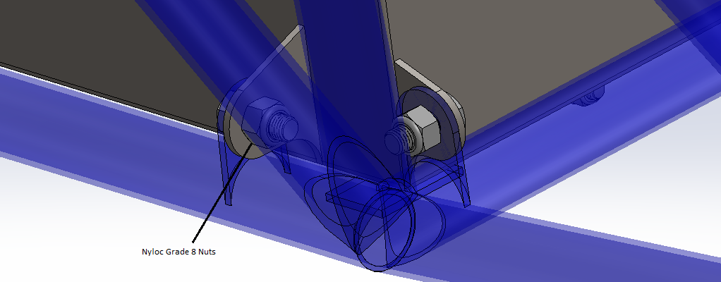
Of the three bolt groupings, the third is the weakest. This is fairly evident because there is only one bolt in the
group, and that bolt is oriented such that it is in shear in a worst case scenario of 20g in the z direction and 40g in |  |  |  |  |  |  | Group 1
the y direction. These two accelerations can be divided by six – two due to the xz plane symmetry and three due |  |  |  |  |  |  | Closeup
to assumption 2). Then the reduced accelerations can be multiplied by the accumulator mass m, and added in
quadrature to obtain the resultant shear force on the group 3 bolt. This resultant force can be divided by the bolt
area to obtain the shear stress, which can then be divided by the bolt shear strength to obtain the safety factor.

Bolt Tensile Strength (Pa) |  |  | 1034213590 | Obtained for a McMaster Carr grade 8 hex bolt
Bolt Shear Strength (Pa) |  |  | 620528154 | 0.6 * “Bolt Tensile Strength”
Resultant Shear Force (N) |  |  | 5118.3596005 | SQRT((“Horizontal Force” / 6)^2 + (“Vertical Force” / 6)^2)
Bolt Diameter (m) |  |  | 0.0079375 | 5/16” converted to meters
Bolt Diameter (m^2) |  |  | 4.9483152256E-05 | π * (“Bolt Diameter” / 2) ^ 2
Shear Stress (Pa) |  |  | 103436409.51 | “Resultant Shear Force” / “Bolt Diameter”
Safety Factor |  |  | 5.9991269703 | “Bolt Shear Strength” / “Shear Stress”
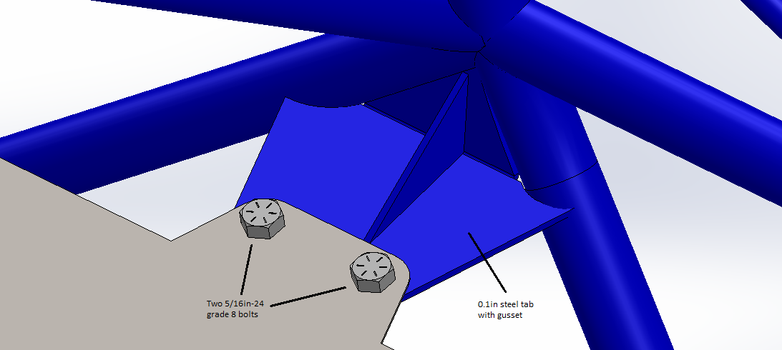
 |  |  |  |  |  |  | Group 2
In conclusion the group 3 bolt has a safety factor of about 6 during a combination of 40g acceleration in the y axis |  |  |  |  |  |  | Closeup
and 20g acceleration in the z axis. Additionally since we established that group 3 was the worst of the three bolt
groups, we know that groups 1 and 2 have a safety factor greater than 6.

Additional Info {IA attachment}
Formula HybridTM STRUCTURAL EQUIVALENCY SPREADSHEET - CONTINUATION TAB

University Name | Yale University | Car No.(s) & Event(s) | Team #213, Formula Hybrid

Please use this sheet to include additional information required for your proof of equivalency that isn't covered by the standard forms e.g. material receipts. This tab may be copied if one page isn't sufficient.

Impact Attenuator Honeycomb-to-Anti-Intrusion Plate Attachment Method
We have decided to turn to an alternative attachment method for securing the aluminum honeycomb to the anti-intrusion plate. Rule T3.20.3 stipulates that the honeycomb (i.e., the impact attenuator) must be attached to the anti-intrusion plate with a structural equivalency to (4) 5/16 inch SAE Grade 5 bolts.
We are listing below the properties of 5/16 Grade 5 Bolts as well as the West System Six10 Epoxy that we are now using instead.
Tensile Strength:
(4) 5/16 inch SAE Grade 5 bolts 1.6*10^5 N
(4) 4in*4in Aluminum L brackets (bond area 2in*4in on AI plate) 9.1*10^5 N
Tensile Modulus:
Baseline Steel 2.0*10^11 Pa
Epoxy 2.6*10^9 Pa
Further details about the IA can be found in the IA report.

